Лист2
 |  |  |  |  |  |  |  |  | 8,12,13,16

K= |  | 143
c= |  | 4
S_T= |  | 150
FV( c)= |  | 4
C_T=max(0;S_T-K)= |  | 7
R=C_T-FV( c)= |  | 3

K= |  | 78
c= |  | 10
S_T= |  | 62
FV( c)= |  | 10
C_T=max(0;S_T-K)= |  | 0
R=C_T-FV( c)= |  | -10

K= |  | 127
p= |  | 28
S_T= |  | 82
FV( p)= |  | 28
P_T=max(0;K-S_T)= |  | 45
R=P_T-FV( p)= |  | 17

K= |  | 164
p= |  | 15
S_T= |  | 176
FV( p)= |  | 15
P_T=max(0;K-S_T)= |  | 0
R=FV( p)-P_T= |  | 15

K= |  | 218
c= |  | 7
T= |  | 3
mu_f= |  | 6%
S_T= |  | 197 | 230 | 220 | 218
FV( c)= |  | 7.105
C_T=max(0;S_T-K)= |  | 0 | 12 | 2 | 0
R=C_T-FV( c)= |  | -7.1 | 4.9 | -5.1 | -7.1

K= |  | 183
c= |  | 9
T= |  | 7
mu_f= |  | 5%
S_T= |  | 190 | 205 | 185 | 183 | 181.5
FV( c)= |  | 9.2625
C_T=max(0;S_T-K)= |  | 7 | 22 | 2 | 0 | 0
R=C_T-FV( c)= |  | 2.26 | -12.74 | 7.26 | 9.26 | 9.26

K= |  | 510000
p= |  | 50000
T= |  | 3
mu_f= |  | 6%
S_T= |  | 430000
FV( p)= |  | 50755.653231
P_T=max(0;K-S_T)= |  | 80000
R=P_T-FV( p)= |  | 29244.3468

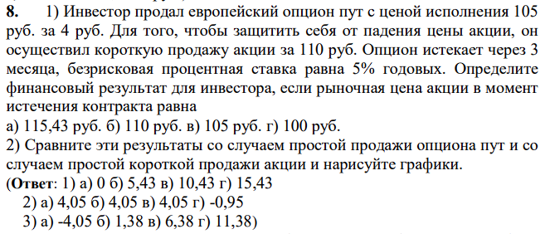

S0= |  |  | 110
K= |  |  | 105
p= |  |  | 3
mu_f= |  |  | 5%
T= |  |  | 3
S_T= |  |  | 115.43 | 110 | 105 | 100
FV(s0+p)= |  |  | 114.4125
max(S_T;K)= |  |  | 115.43 | 110 | 105 | 105
R=FV(S0+p) - max(S_T;K)= |  |  | -1.0175 | 4.4125 | 9.4125 | 9.4125

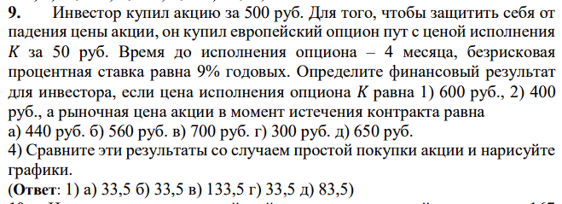

S0= |  |  | 500
K= |  |  | 600 | 400
p= |  |  | 50
mu_f= |  |  | 9%
T= |  |  | 4
S_T= |  |  | 440 | 560 | 700 | 300 | 650
FV(s0+p)= |  |  | 566.5
max(S_T;K)= |  |  | 600 | 600 | 700 | 600 | 650
R=max(S_T;K) - FV(S0+p)= |  |  | 33.5 | 33.5 | 133.5 | 33.5 | 83.5 | K=600
max(S_T;K)= |  |  | 440 | 560 | 700 | 400 | 650
R=max(S_T;K) - FV(S0+p)= |  |  | -126.5 | -6.5 | 133.5 | -166.5 | 83.5 | K=400

S0= |  |  | 150
K= |  |  | 167
p= |  |  | 14
mu_f= |  |  | 8%
T= |  |  | 6
S_T= |  |  | 160
FV(s0+p)= |  |  | 170.56
max(S_T;K)= |  |  | 167
R=min(S_T;K) - FV(S0-p)= |  |  | 3.56

K= |  | 820
r= |  | 8%
t= |  | 1
S= |  | 800
uS= |  | 840
dS= |  | 760

r1=r/12= |  | 0.0066666666667
d=(1-l/100)=dS/S= |  | 0.95
u=(1+g/100)=uS/S= |  | 1.05

cu=max(0;uS-K)= |  | 20
cd=max(0;dS-K)= |  | 0

c= |  | 11.26

K= |  | 5200
r= |  | 10%
t= |  | 2
S= |  | 5000
g= |  | 8%
l= |  | 5%
r1=r/12= |  | 5%
d=(1-l/100)=dS/S= |  | 95%
u=(1+g/100)=uS/S= |  | 108%

uuS= |  | 5778.125
ddS= |  | 4512.5
udS= |  | 5106.25

q_u= |  | 80%
q_d= |  | 20% |  | способ 2

cuu=max(0;uuS-K)= |  | 578.125 |  | знам= | 0.13125
cud=max(0;udS-K)= |  | 0 |  | cu= | 440.47619048
cdd=max(0;ddS-K)= |  | 0 |  | cd= | 0

c= |  | 335.60090703 |  | c= | 335.60091

K= |  | 220
S= |  | 200
r= |  | 6%
t= |  | 3
g= |  | 12%
l= |  | 9%
d= |  | 109%
u= |  | 112%
q_u= |  | -100%
q_d= |  | 200%

i | C(i,n) | q_u^i | q_d^(n-i) | max(u^I*d^(n-i)S-K,0) |  |  | произв
0 | 1 | 1 | 8 | 39.0058 |  |  | 312.0464
1 | 3 | -1 | 4 | 46.1344 |  |  | -553.6128
2 | 3 | 1 | 2 | 53.4592 |  |  | 320.7552
3 | 1 | -1 | 1 | 60.9856 |  |  | -60.9856
 |  |  |  |  |  | сумм | 18.2032
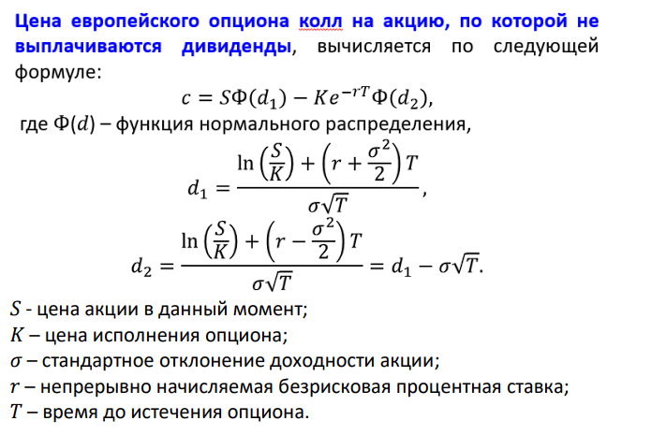
 | c= | 15.283757733

S= | 1000
sigma= | 0.4
K= | 900
T= | 0.5
r= | 0.08

d1= | 0.65534838793
d2= | 0.37250567545

Ф(d1)= | 0.74387826335
Ф(d1)= | 0.64524180642

с= | 185.93090137

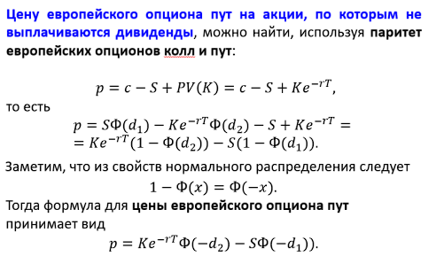

S= | 1000
sigma= | 0.4
K= | 900
T= | 0.5
r= | 0.08

d1= | 0.65534838793
d2= | 0.37250567545

Ф(d1)= | 0.74387826335
Ф(d2)= | 0.64524180642

p= | 50.641396607

S= | 6000
K= | 5900
r= | 8%
T= | 0.25
sigma= | 25%

u= | 1.1331484531
d= | 0.88249690258

uS= | 6798.8907184
dS= | 5294.9814155

cu=max(0;uS-K)= |  | 898.8907184
cd=max(0;dS-K)= |  | 0

с= | 655.82301916

